Pivot chats
Item | (All) |  | Select the data use pivot table , select pivot table data , go to insert , select the chart

Employee Name | Sum of Amount (Rs.) | Sum of Quantity
Aditya Kapoor | 5,500 | 1
Alok Tiwari | 1,000 | 2
Amit Sharma | 2,400 | 2
Ankit Sinha | 3,500 | 1
Arjun Pillai | 1,200 | 3
Bhavesh Thakur | 600 | 1
Deepak Rawat | 1,800 | 1
Divya Kulkarni | 1,400 | 2
Gaurav Khanna | 2,000 | 1
Harsh Chauhan | 25,000 | 1
Jyoti Sharma | 8,000 | 1
Karthik Reddy | 2,400 | 2
Kavita Chawla | 3,500 | 1
Kiran Desai | 2,500 | 1
Manish Pandey | 5,000 | 1
Meena Dubey | 1,500 | 2
Mohit Joshi | 900 | 3
Neha Gupta | 1,500 | 1
Nitin Saxena | 2,200 | 1
Pankaj Narang | 900 | 1
Pooja Mehta | 1,000 | 1
Preeti Kaur | 7,000 | 1
Priya Malhotra | 4,500 | 1
Raj Verma | 800 | 1
Ravi Shankar | 3,000 | 1
Riya Patel | 4,500 | 1
Rohit Bansal | 1,800 | 2
Sanjay Kumar | 12,000 | 1
Sheetal Rao | 4,500 | 1
Sneha Reddy | 1,200 | 1
Snehal Kapoor | 6,000 | 1
Suman Rai | 3,000 | 1
Sunil Yadav | 3,200 | 1
Suresh Menon | 14,000 | 1
Swati Agarwal | 1,800 | 3
Tarun Mehta | 15,000 | 1
Varsha Jain | 1,800 | 1
Vikram Singh | 5,000 | 2
Yashwant Sinha | 11,000 | 1
Grand Total | 173,900 | 52

Consolidate data
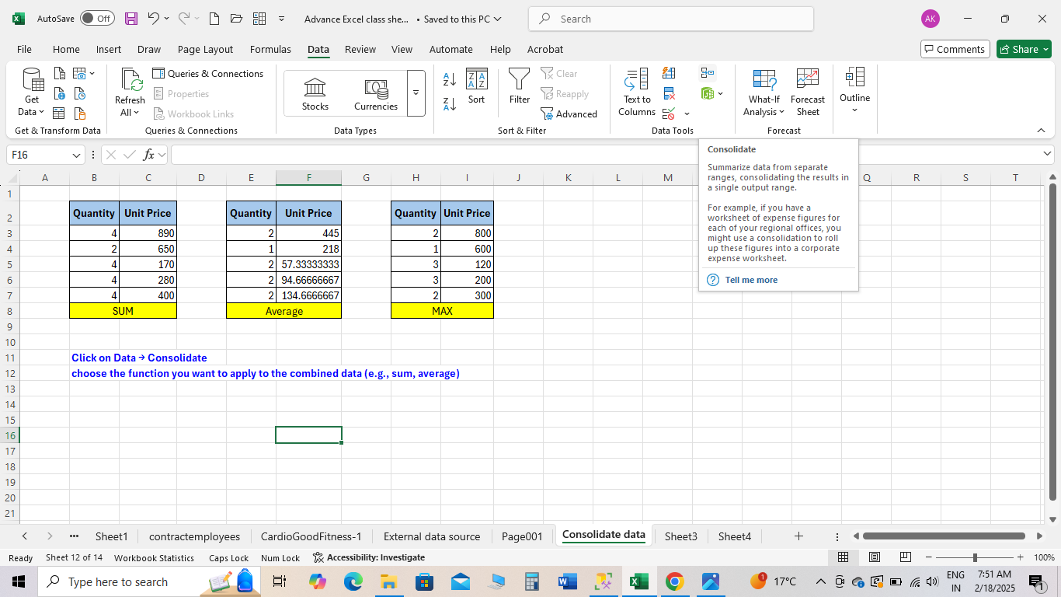
Quantity | Unit Price | Quantity | Unit Price | Quantity | Unit Price
4 | 890 | 2 | 445 | 2 | 800
2 | 650 | 1 | 218 | 1 | 600
4 | 170 | 2 | 57.333333333 | 3 | 120
4 | 280 | 2 | 94.666666667 | 3 | 200
4 | 400 | 2 | 134.66666667 | 2 | 300
SUM |  | Average |  | MAX

Click on Data → Consolidate
choose the function you want to apply to the combined data (e.g., sum, average)

